Probability
40 Questions on Probability for data science | https://www.analyticsvidhya.com/blog/2017/04/40-questions-on-probability-for-all-aspiring-data-scientists/

Fundamental concepts | 1. Random Variable: A random variable is a mathematical function that assigns a numerical value to each possible outcome of a random experiment or process. Random variables can be categorized as discrete or continuous, depending on whether their possible values form a discrete set (e.g., integers) or a continuous interval (e.g., real numbers). 2. Probability Distribution: A probability distribution describes how the values of a random variable are distributed or spread out across its possible outcomes. For a discrete random variable, a probability distribution is often summarized in a probability mass function (PMF), which assigns probabilities to each possible value. For a continuous random variable, the distribution is described by a probability density function (PDF), which specifies the likelihood of the variable taking on a particular value within a range. 3.Probability Density Function (PDF): A PDF is a function that characterizes the probability distribution of a continuous random variable. It represents the relative likelihood of the random variable taking on specific values within its entire range. The PDF is non-negative, and the total area under the curve equals 1, representing the total probability. 4. Cumulative Distribution Function (CDF): A CDF is a function that describes the cumulative probability of a random variable taking on a value less than or equal to a specified value. For a discrete random variable, the CDF is obtained by summing the probabilities from the PMF up to a given value. For a continuous random variable, the CDF is obtained by integrating the PDF from negative infinity to a given value. The CDF is always a monotonically increasing function and ranges from 0 to 1. Example: Consider a continuous random variable X representing the height of individuals in a population. The height of individuals can be any real number between, say, 4 feet and 7 feet. The probability distribution of X is described by its PDF, which might
Difference between probability and likelihood | Probability attaches to possible results; likelihood attaches to hypotheses Likelihood is a qualitative assessment that is subjective with little objective measurement. An example is: there is a high likelihood of rain tomorrow. Probability refers to the percentage of possibilities that foreseen outcomes will occur based on parameters of values.
Conditional Probability | Probability of event A considering event B has occurred.
Bayes Rule | P(A|B)= P(B|A) P(A) / P(B) Under bayes rule P(A) --> is known as Prior P(B|A) --> is known as likelihood P(A|B) --> is known as posterior
 | 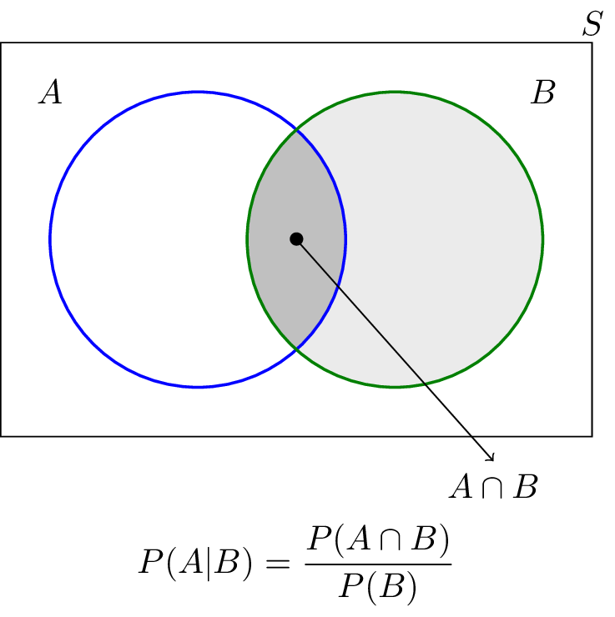 If P(A|B)= P(A) then A and B are independent If two events are independent, then P(A∩B)=P(A)P(B) P(A|B) = P(A∩B) / P(B) =P(A)P(B) / P(B) =P(A) .
 | It is possible that A and B to be conditionally independent given the occurrence of another event C. once we know C has occurred, the occurrence of A does not affect the probability of B, and vice versa. P(A ∩ B |C) = P(A|C) P(B|C) Breakdown: P(A | C)= P (A ∩ C) / P(C) P(B | C)= P(A∩C) / P(C) P(A ∩ B |C) = P (A ∩ B ∩ C) /P(C) If A and B are conditionally independent given C, knowing whether A happens does not change the probability of B happening once we already know C has happened. P(A∩B∣C)=P(A∣C)P(B∣C) Intuition: In general, two events A and B might be dependent. However, if we introduce a third event C and condition on it, A and B might become independent in this restricted context. This happens if C contains all the information needed to explain any apparent dependence between A and B. Example: Coin Flipping with a Hidden Bias Suppose there are two biased coins: Coin 1 has P(H)=0.7 Coin 2 has P(H)=0.4. You randomly choose a coin with equal probability (50% for each). Let: A = First flip is heads. B = Second flip is heads. C = The chosen coin. Without knowing which coin was chosen (C), A and B are not independent because both flips depend on the underlying bias. However, given C (i.e., knowing which coin was used), the two flips become independent since each flip follows the coin’s fixed probability. Thus, given C, we have: 𝑃(𝐴∩𝐵∣𝐶)=𝑃(𝐴∣𝐶)𝑃(𝐵∣𝐶) If Coin 1 is chosen (𝐶1): P(A∣C1)=0.7, P(B∣C1)=0.7 If Coin 2 is chosen (𝐶2): P(A∣C2)=0.4, P(B∣C2)=0.4 Now compute 𝑃(𝐴∩𝐵∣𝐶): 𝑃(𝐴∩𝐵∣𝐶1)= P(A∣C1)*P(B∣C1)= 0.7*0.7= 0.49 𝑃(𝐴∩𝐵∣𝐶2)= P(A∣C2)*P(B∣C2)=0.4*0.4=0.16 Since we calculated: 𝑃(𝐴∩𝐵∣𝐶1)=0.49 and 𝑃(𝐴∩𝐵∣𝐶2)=0.16 We see that the condition holds for both cases. Thus, A and B are conditionally independent given C. ​

Naive Bayes theorem | The assumption made here is that the predictors/features are independent. That is presence of one particular feature does not affect the other. Hence it is called naive.
Suppose a fair coin is tossed 100 times. What is the probability there will be more than 60 heads? | Solution: Normal Approximation to the Binomial X>60 p=0.5, q=0.5 u=n*p= 50 σ=sqrt(np(1-q))= 5 zscore= (x-u)/σ= 2.1 value from z table= 0.98214 = probability there will be more than 60 heads

